Sheet1
$$f_{X}\left(x\right)=p^{x}{(1−p)}^{1−x},$$
$$x=0 or 1$$
$$\lim_{p →0, n→∞}\left(P(X=x)\right)= \frac{e^{−np}{(np)}^{x}}{x!}$$
$$Z=\frac{X−np}{\sqrt{npq}} is approximately \sim N\left(0, 1\right)$$
$$f_{X}\left(x\right)=({}_{x}^{n}C)p^{x}{(1−p)}^{1−x}, x=0 …n$$
Distribution |  | Probability density function, f(x) | E(x), μ | V(X), σ^2 | Command | Example |  |  |  | Remark
Bernoulli (either success/fail in one trial) |  |  | p | p(1-p)=pq
Binomial Distribution | X ~ B(n, p_success) |  | np | npq | binom.dist(x, n_trial, p_success, lte_cumulative) | n = 10, p_success = 0.5, P(X = 6) | 0.205078125 | P(X <= 6) | 0.828125
$$f_{X}\left(x\right)=({}_{k−1}^{x−1}C)p^{k}{(1−p)}^{x−k},$$
$$x=k, k+1, …$$
Negative Binomial Distribution | X ~ NB(k = num_success, p_success) |  | k/p | (1-p)k/p^2 | negbinom.dist(num_failure, num_success, p_success, lte_cumulative) | n_fail = 2, n_success = 4, p_success = 0.55, P(X = 6) | 0.18530015625 | P(at least 4 success out of 7 trials) | 0.60828779688
Geometric Distribution (num of trials needed to have first success) | X ~ Geom(p_success) = X ~ NB(1, p_success) |  |  |  | negbinom.dist(num_failure, 1, p_success, lte_cumulative) | P(5 trials to get a success) = P(X = 5) | 0.0407253125
$$f_{X}\left(x\right)=\frac{e^{−λ}λ^{x}}{x!},$$
$$x=0, 1, 2, …$$
Poisson Distribution (num success occurring during a given time internval or in a specific region) | X ~ P(λ); λ = num_success |  | λ | λ | poisson.dist(x, mean, lte_cumulative) | 1.5 successes/shift, P(X=2) | 0.25102143017 | P(X<2) | 0.55782540037
$$f_{X}\left(x\right)=αe^{−αx}, x>0, integral=1$$
Exponential Distribution | X ~ Exp(α); α = 1/E(X) |  | 1/α | 1/α^2 | expon.dist(x, α, lte_cumulative) | E(X)=5, α = 1/5, P(X>8) | 0.24659696394 |  |  | P(X > s + t | X > s) = P(X > t)
$$f_{X}\left(x\right)=\frac{1}{\sqrt{2π}σ}e^{(\frac{−{(x−μ)}^{2}}{2σ^{2}})}$$
Normal Distrbution | X ~ N(μ, σ^2) |  | μ | σ^2 | norm.dist(x, μ, σ, cumulative) | X ~ N(50, 10^2); P(X < 45) | 0.30853753873
 |  |  |  |  | norm.inv(probability, μ, σ) | X~N(74, 7^2), find x such that P(X < x) = 0.88 | 82.224907544
Standard N Dist | Z ~ N(0, 1) |  | 0 | 1 | norm.s.dist(z) = P(Z < z) | P(Z < 1.2) | 0.88493032978
 |  |  |  |  | norm.s.inv(probability) | find z such that P(Z < z) = 0.88 | 1.1749867921
$$f_{X}\left(x\right)=\frac{1}{b−a}, for a ≤x≤b$$
Continuous Uniform Distribution |  |  | (a+b)/2 | (b-a)^2/12
Sampling
Chi-square Distribution | 𝜒2 ~ (𝑛), n = degree of freedom |  | n | 2n | chisq.dist(c, n, cumulative) gives α s.t. P(W <= c) = α |  | 18.307038053 | P(W <= 18.307) | 0.94999987533 | For large 𝑛, 𝜒2~(𝑛) approx ~ 𝑁(𝑛, 2𝑛).
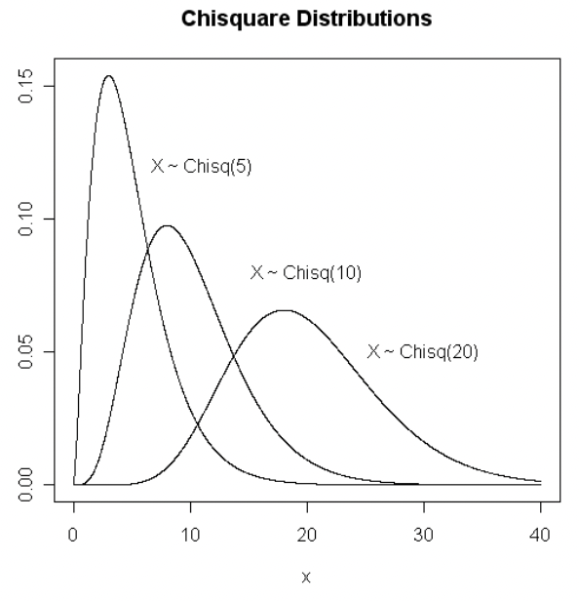
 |  |  |  |  | chisq.inv(α, n) gives c s.t. P(W <= c) = α

t-distribution | T ~ t(n) |  | 0 | 𝑛/(𝑛 − 2) | t.dist(t, n, lte_cumulative), true cumulative gives P(T <= t), false gives pdf f(t) | P(T <= 2) | 0.96330598261 |  | 1.8124611228 | Suppose 𝑍 ~𝑁(0, 1) and 𝑈 ~ 𝜒2(𝑛). If Z and U are independent, and let T = Z / √(U/n), Z / √(U/n) ~ t(n) | approach N distribution
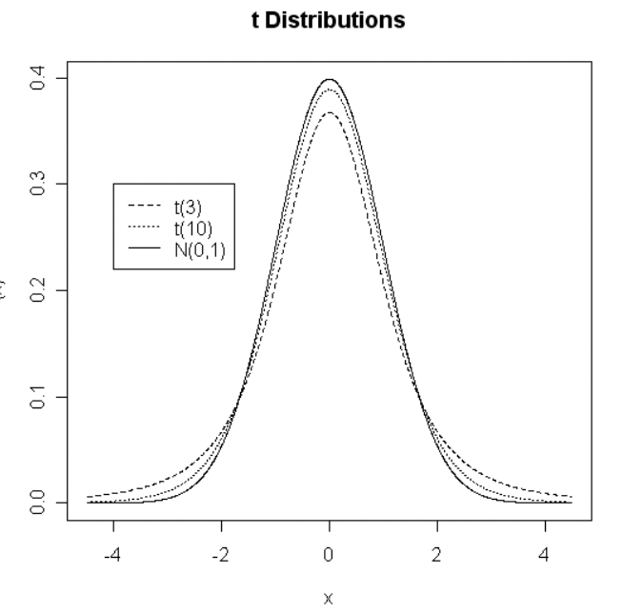 | Suppose 𝑍 ~𝑁(0, 1) and 𝑈 ~ 𝜒2(𝑛), if Z and U are indep, then T = Z/(√(U/n)) |  |  |  | t.inv(p, n) gives the p-th quantile of a t(n) dist, i.e. P(W <= c) = p

F-distribution | ~F(n1-1, n2-1) |  |  |  | f.dist(f, n1, n2, lte_cumulative) gives P(F <= f) | P(F <= 6.26) with n1=5, n2=4 | 0.95005243855 |  | 6.2560565022 | If F ~ F(n, m), then 1/F ~ F(m, n)
 |  |  |  |  | F.inv(p, n1, n2) gives c s.t. P(F <= c) = p |  |  |  |  | F(n1, n2, 1-α) = 1/F(n2, n1, α)

Sheet2
Sample Mean

CLT

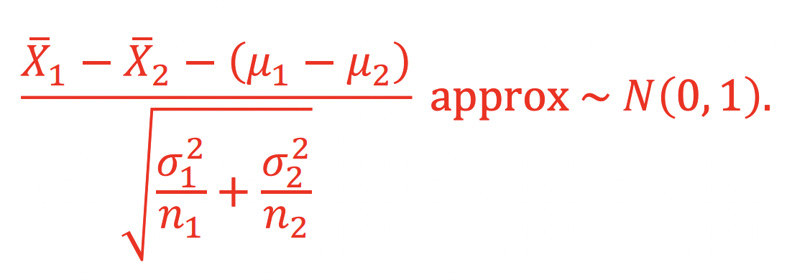
Distribution of X1 - X2

